Reflection Q3
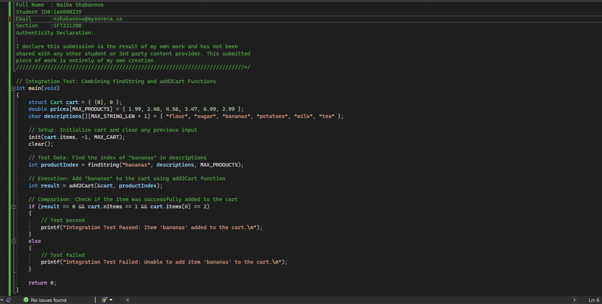
Create one integration test for the combination of two functions above. Show the code you created to set up the test, execute the test and compare the result to the expected result. You only need to demonstrate one set of test data, but it should be obvious how to add more tests easily. Comment your code to point out the set up, execution, and comparison parts of the code.

Integration Test Explanation: Setup: The init function initializes the cart structure, ensuring a clean slate for the test. This is crucial to isolate the test scenario and prevent any interference from previous data in the cart. Additionally, the clear function is called to ensure that the input buffer is clear, avoiding any unwanted data from user interactions. Test Data: In this integration test, we focus on finding the index of the item "bananas" within the descriptions array using the findString function. The purpose is to simulate a real-world scenario where a user selects an item for purchase. Execution: The add2Cart function is then executed to add the found item, in this case, "bananas," to the shopping cart (cart). This step represents the integration of the two functions: finding an item and adding it to the cart. Comparison: The comparison phase checks whether the integration was successful. The expected outcome is that the add2Cart function adds the item to the cart without errors, and the cart's state is as expected. The comparison involves checking the return value of add2Cart, the number of items in the cart (nItems), and the index of the added item in the cart (items[0]). If all conditions are met, the test is considered passed; otherwise, it is marked as failed. Extensibility: This integration test serves as a foundation for further tests. By modifying the test data (item name) and adjusting the comparison accordingly, additional scenarios can be easily tested. This extensibility allows for comprehensive testing of various item additions to the cart, ensuring the robustness of the integrated functionality.

Best regards, |  |  | < >
NAIBA SHABANOVA |  |  | < >

 | (( | (( | THANKS | )) | ))

 |  |  | < >
 |  |  | < >

